Sheet1
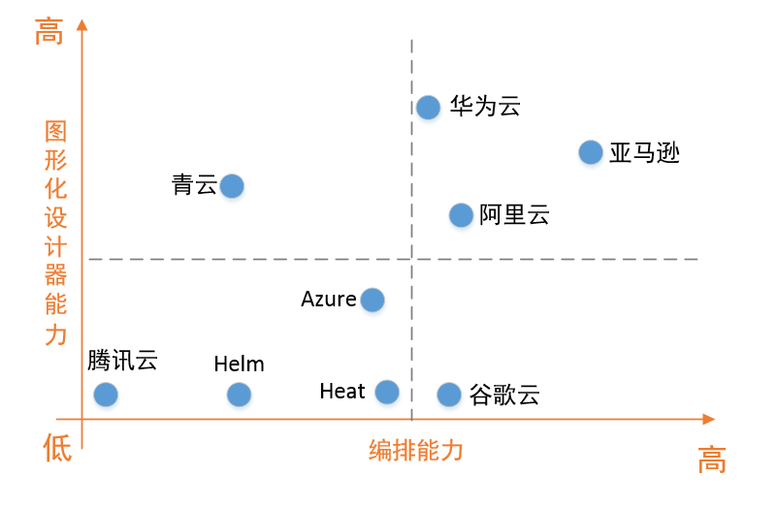

source ： https://www.cnblogs.com/chengxuyuanbrother/p/9719414.html

